Standard Comparison
Loan Comparison Worksheet Instructions for Open House Flyers

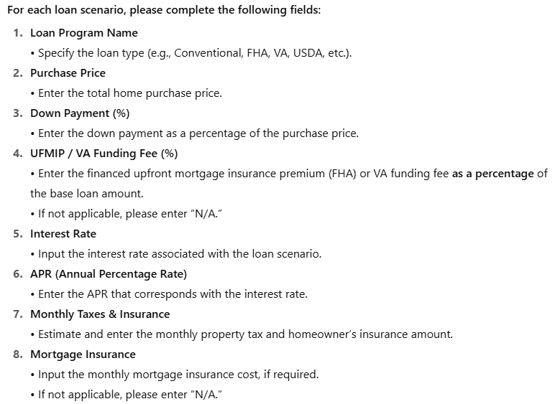
Use this spreadsheet to create a clear, side-by-side comparison of loan options for your Open House marketing materials. Include as few as 1 and as many as 4 loan programs in the comparison. Many fields are auto-calculated to simplify your process. All fields that auto-calculate are locked for editing.

Provide 1 - 4 loan programs for comparison. Any columns not used will not be included on the final flyer.

Additional Details Needed
Occupancy Type Used: | owner occupied
Credit Score Used: | 760
Discount Points (%): | 0.00%
Estimated Lender Fees (%) | 3.00%

 | [Insert Loan Program] | [Insert Loan Program] | [Insert Loan Program] | [Insert Loan Program]
Purchase Price | [insert] | [insert] | [insert] | [insert]
Down Payment % | [insert] | [insert] | [insert] | [insert]
Down Payment $ | - | - | - | -
UFMIP / Funding Fee % | [insert % or n/a] | [insert % or n/a] | [insert % or n/a] | [insert % or n/a]
Base Loan Amount | - | - | - | -
Total Loan Amount | - | - | - | -
Term | 30 Year Fixed | 30 Year Fixed | 30 Year Fixed | 30 Year Fixed
Number of Payments | 360 | 360 | 360 | 360
Interest Rate | [insert] | [insert] | [insert] | [insert]
APR | - | - | - | -
Principal & Interest Payment | - | - | - | -
Monthly Taxes & Insurance (est) | [insert] | [insert] | [insert] | [insert]
Monthly Mortgage Insurance | [insert] | [insert] | [insert] | [insert]
Total Monthly Payment | $0.00 | $0.00 | $0.00 | $0.00

